data
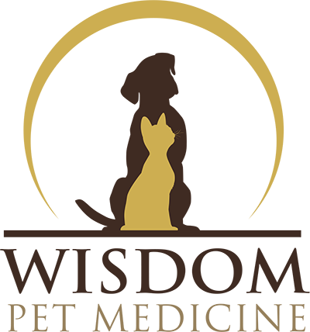
Wisdom Pet Medicine Products & Services
4621 36th Avenue Southwest
Seattle, WA 98126
(123) 456-7890
For internal use only

Item # | Product or Service | Price (ea.) | Retail Price (Case) | Case Discount | 12+ Case Price | 12+ Case Discount
100050 | Advance Pet Oral Care Toothbrush and Toothpaste | $9.55 | $108.87 | $5.73 | $103.14 | $11.46
100043 | Basic Teeth Cleaning and Exam | $100.00 | $1,140.00 | $60.00 | $1,080.00 | $120.00
100013 | Calm Cat Anxiety Relief Spray | $9.49 | $108.19 | $5.69 | $102.49 | $11.39
100041 | Cat Hairball Remedy Gel | $6.00 | $68.40 | $3.60 | $64.80 | $7.20

